Logic-ALV Report
Object Description |  | Need a ALV report with finctionality to disply all the Purchase orders details in ALV format. The ALV should be able to Display the Equipment details once the Equipment number or created by or created On values are entered in the selection screen.

Logic for Report
1 | Select the fields from ZEQUI, ZEQKT and ZEQUZ table using inner join using the equipment number
2 | Display an result in ALV of all this selected fields, there should be a 'Generate Form' button on the top right of the screen
3 | Generate Form' Button will generate the Smartform for the equipment number selected on screen
4 | Refer the screenshots below for screen desining and Smarform layout design

Functionality:
 | Selection Screen |  | Result/Output Screen
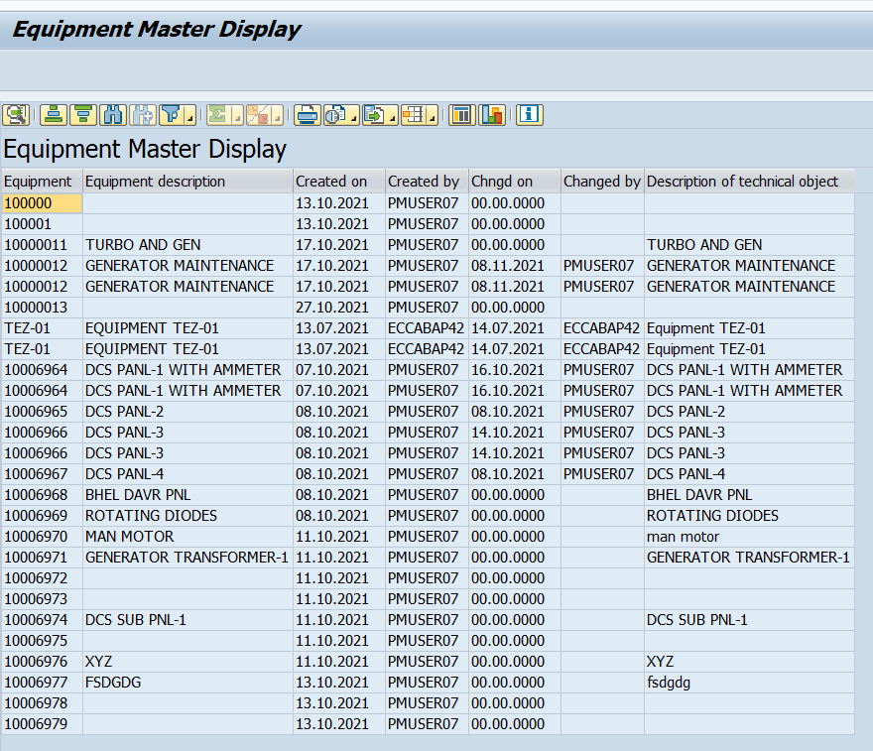

 | Smartform
 | Refer next Tab

Logic to retrieve data from tables
 | How to retrieve data from Three Tables?
 | A) To display data from 3 tables, use inner join on ( EQUI - EQUNR, ERDAT, ERNAM ) & ( EQKT - EQUNR, SPRAS = EN, EQKTX, EQKTU where EQUI-EQUNR = EQKT-EQUNR
 | B) Select EQUNR, DATBI, ERDAT, ERNAM, AEDAT, AENAM, DATAB,IWERK from EQUZ where EQUi-EQUNR = EQUZ-EQUNR and EQUI-ERDAT = EQUZ-ERDAT AND EQUI-ERNAM = EQUZ-ERNAM

